Task 3.a
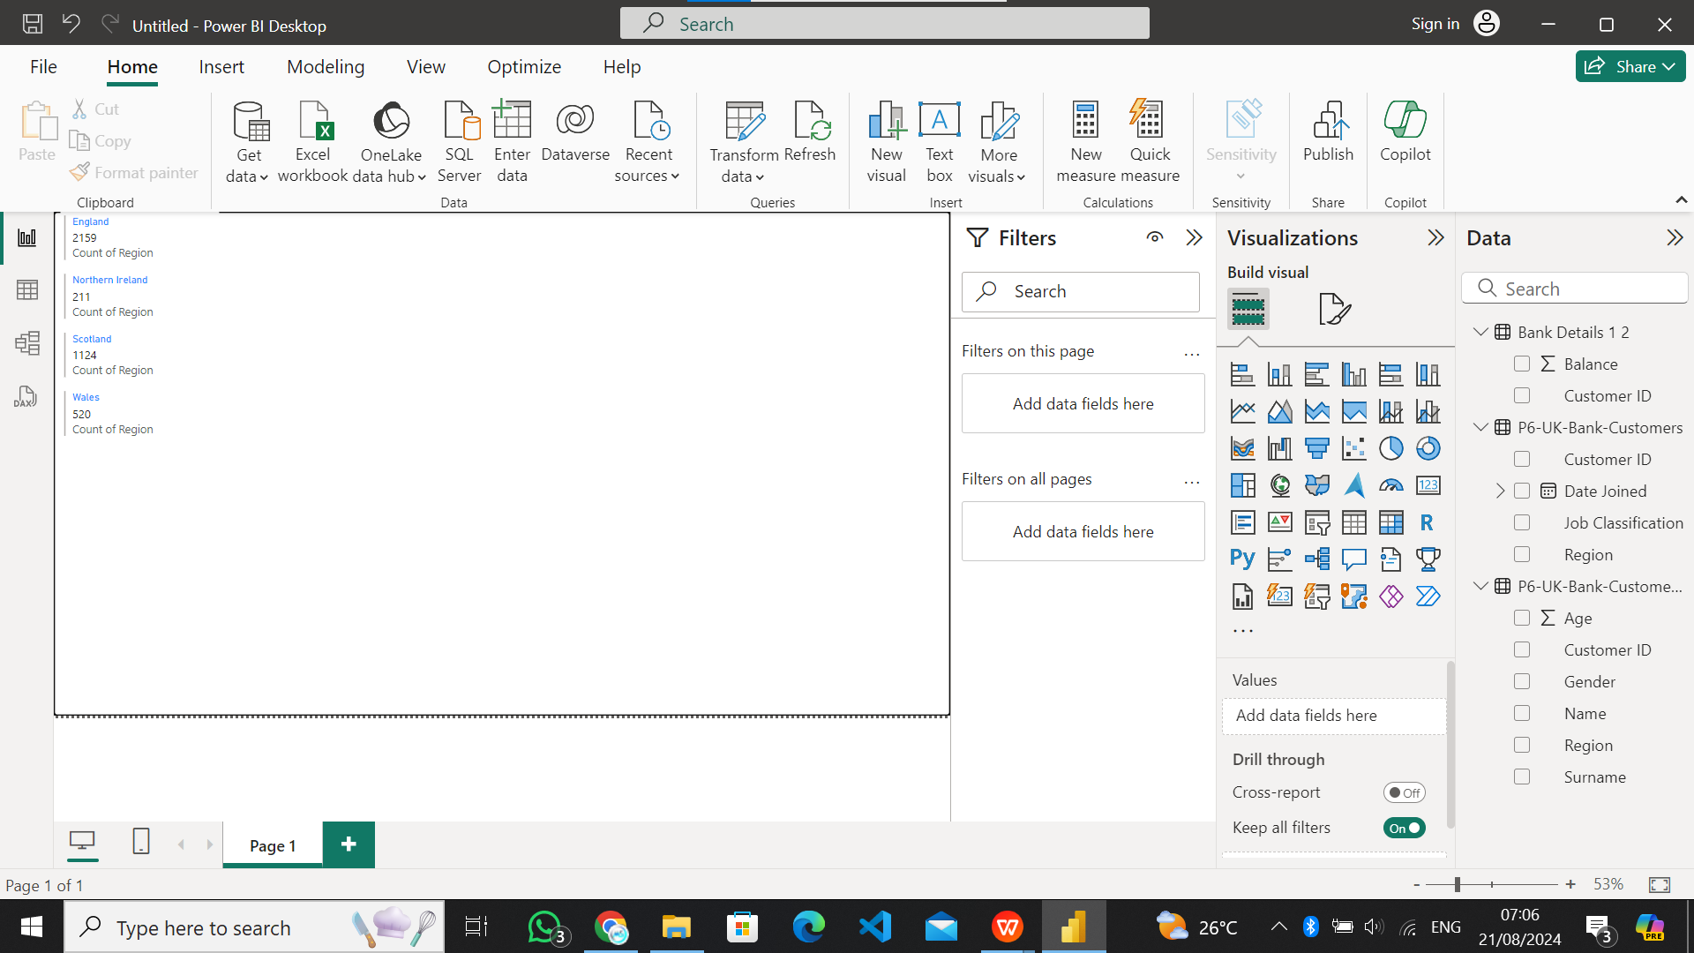
a. Region-wise number of customers

Task 3.b
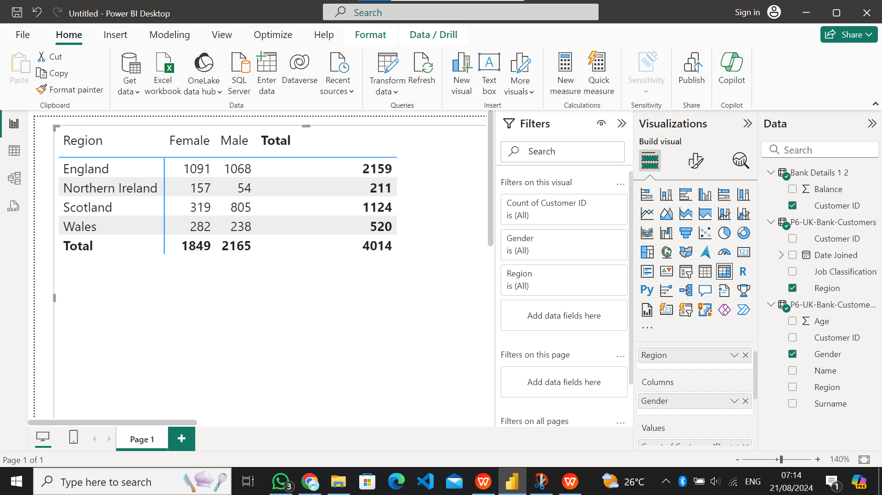
b. Region-wise number of Male & Female Customers

Task 3.c
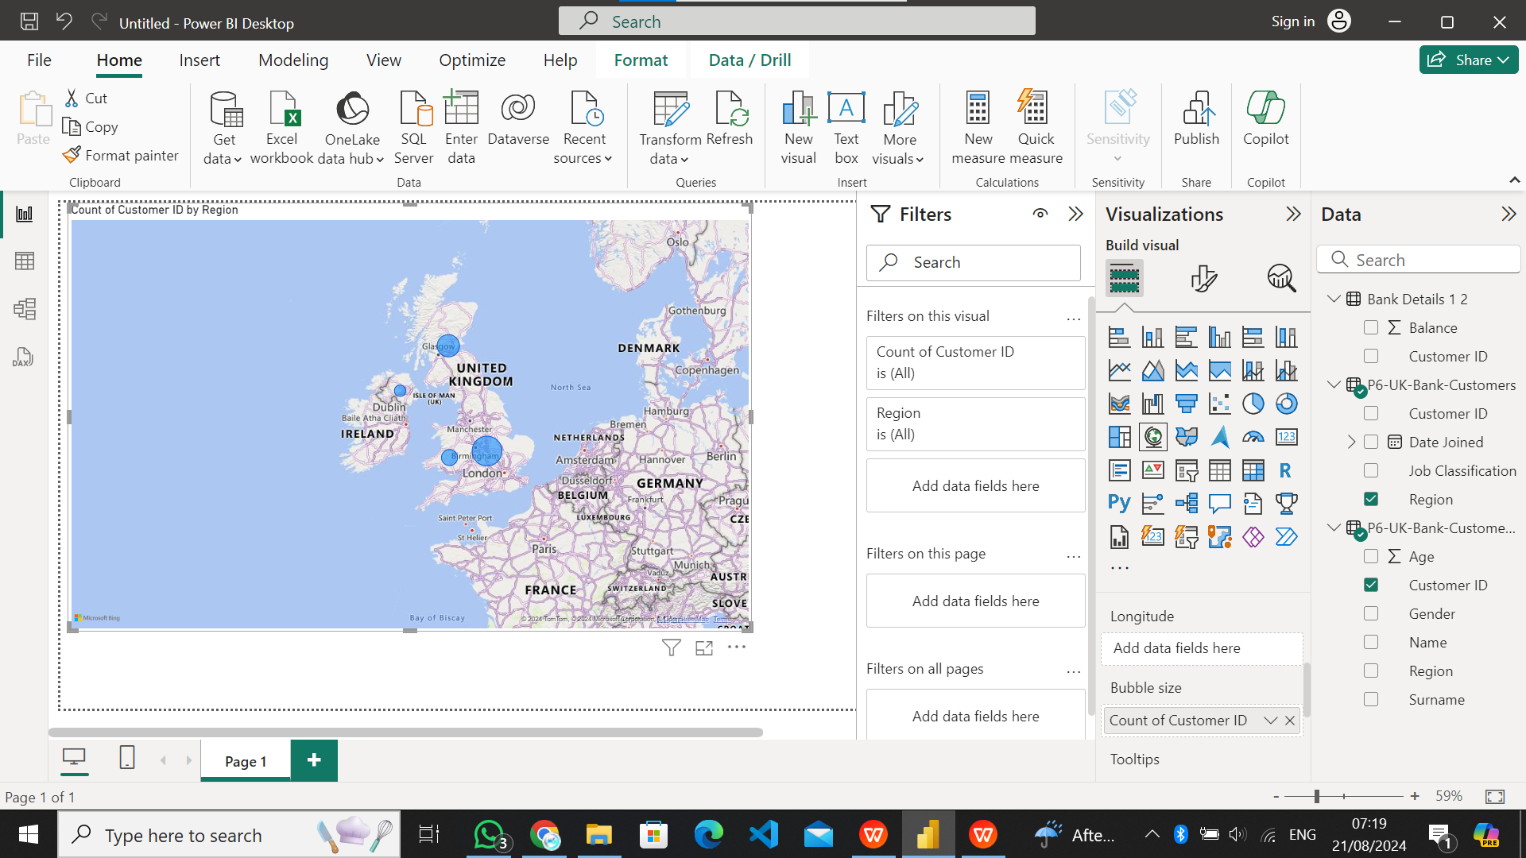
c. Customer presence throughout the world (based on the region-wise | customer base)

Task 4.d
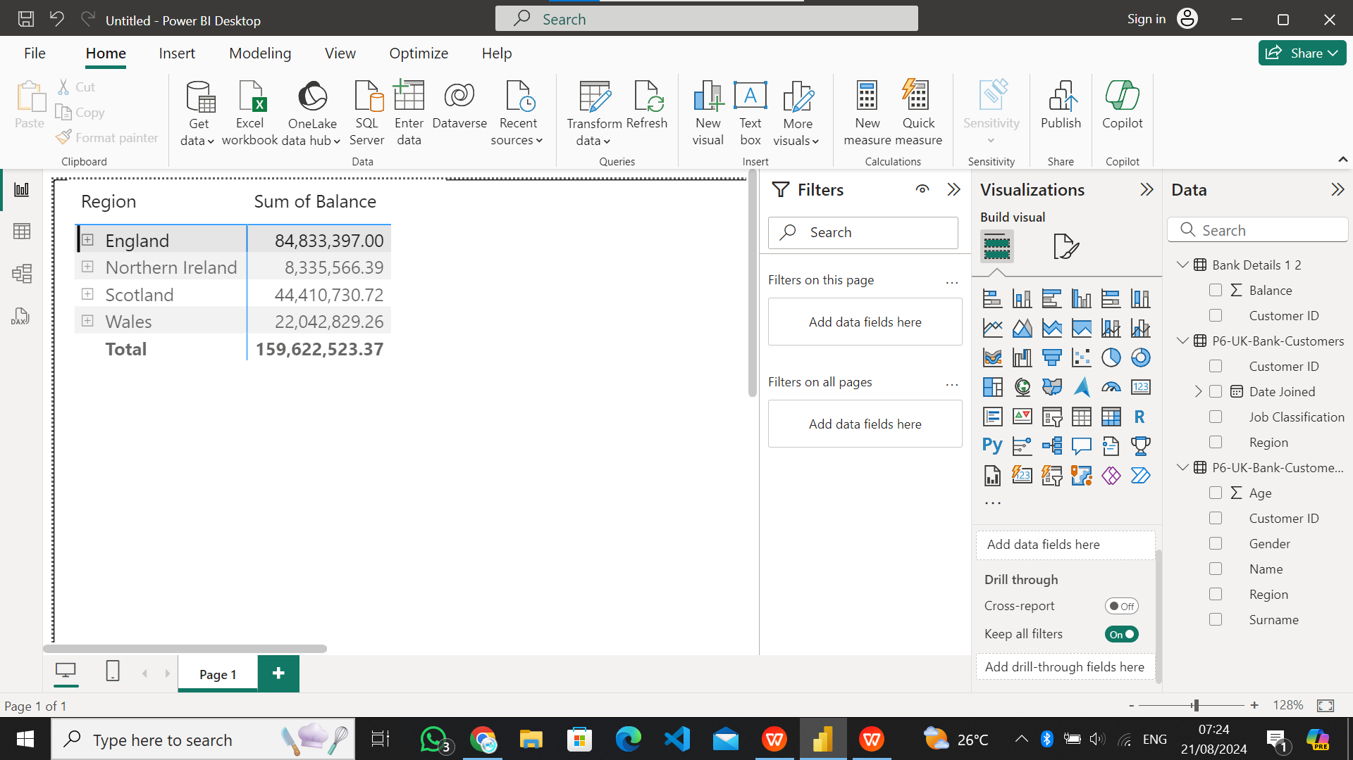
d. Region-wise customer’s bank balance

Task 4.e
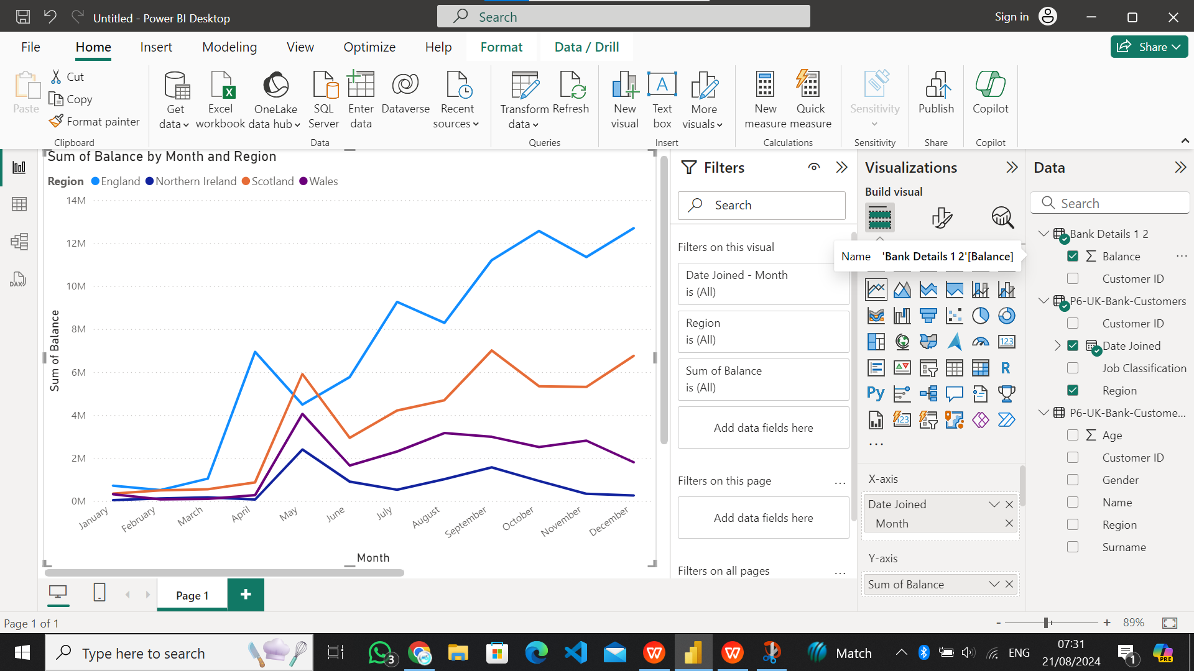
e. Region-wise Monthly balance availability trend.

part2 2.a
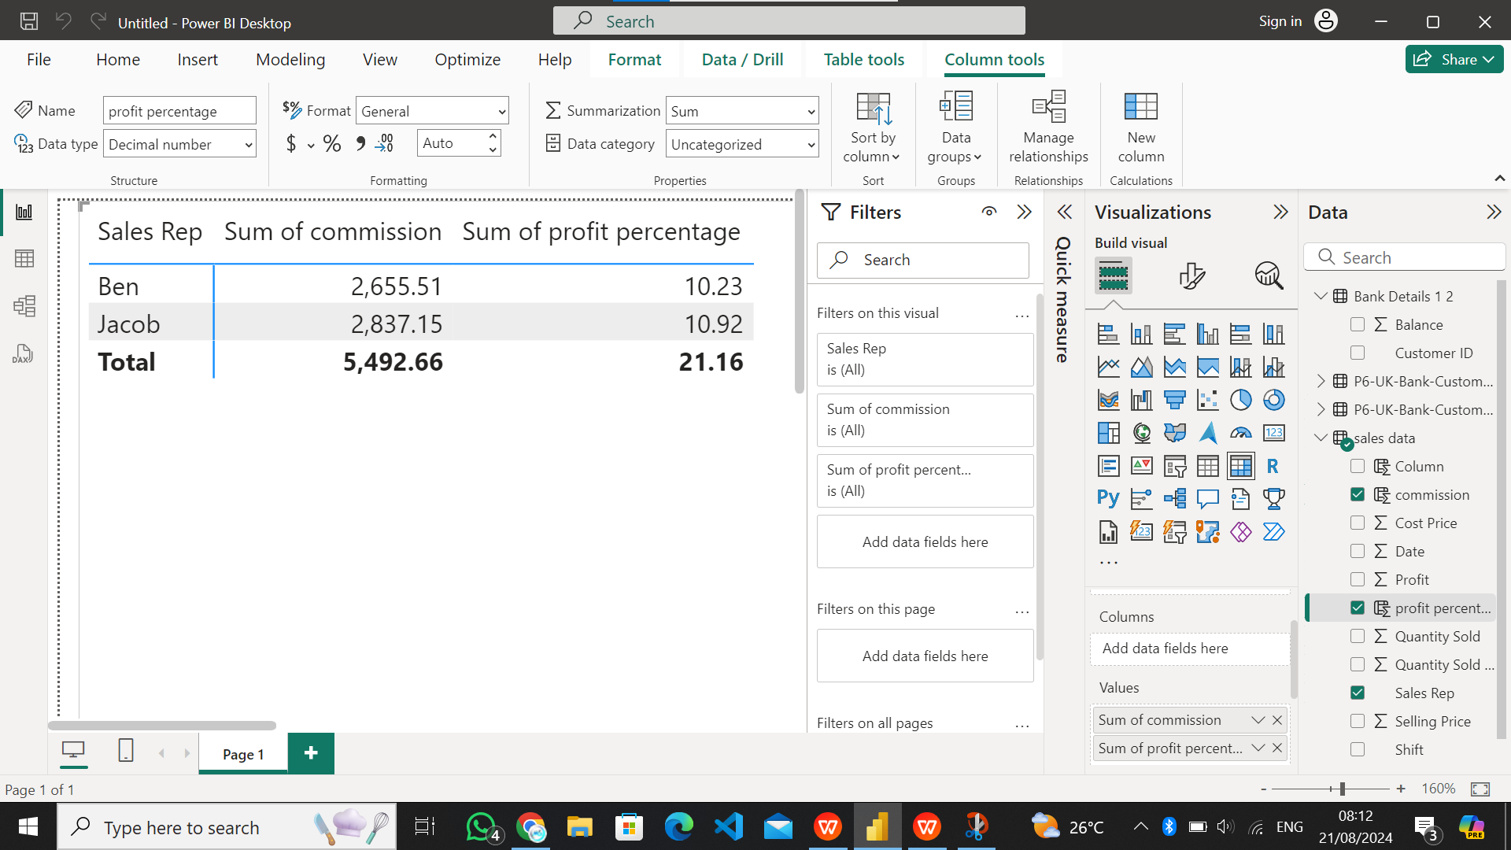
a. Overall profit percentage and commission for sales against each sales
representative

part2 2.b
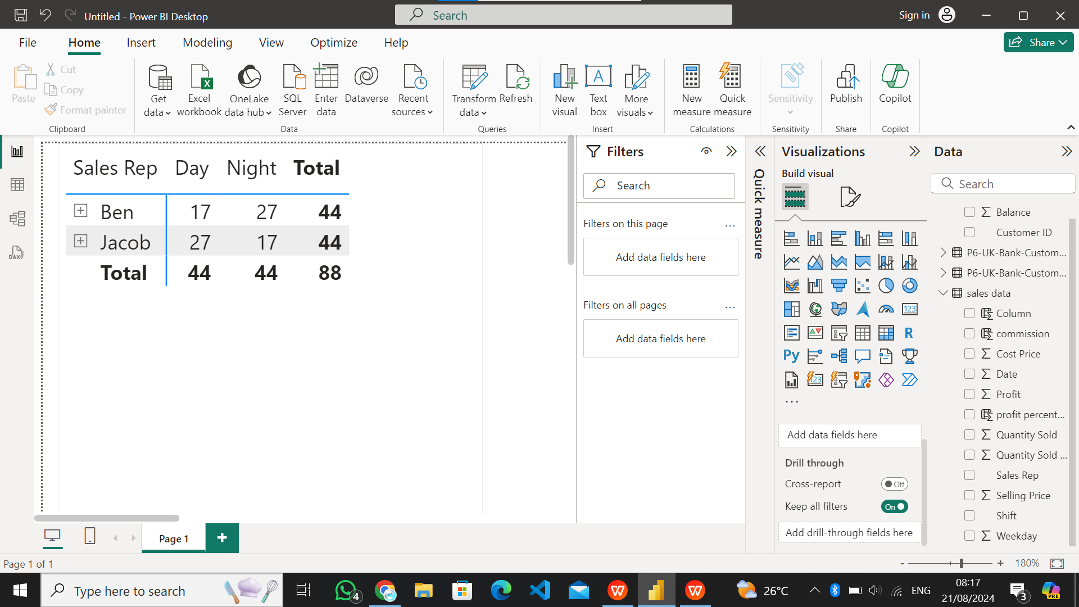
b. Sales representative-wise total number of work shifts (monthly basis)
and work shifts (day & night) trends against the sales representative

